1810.HK
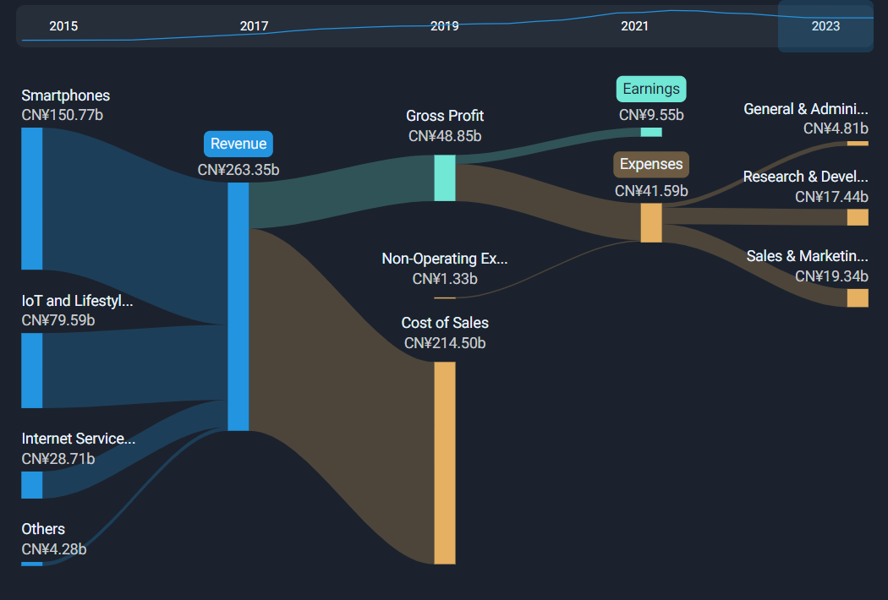
Xiaomi |  |  | Actual |  |  |  |  |  |  |  |  |  |  |  | Forecasted
Price | $16.06 | INCOME STATEMENT | Q1/21 | Q2/21 | Q3/21 | Q4/21 | Q1/22 | Q2/22 | Q3/22 | Q4/22 | Q1/23 | Q2/23 | Q3/23 | Q4/23 | Q1/24 | Q2/24 | Q3/24 | Q4/24 | 2021 | 2022 | 2023 | 2024 | 2025 | 2026 | 2027 | 2028 | 2029 | 2030 | 2031 | 2032 | 2033
# Shares | 24,878,433,000 | Smartphones | 51,491,000,000 | 59,089,000,000 | 47,824,900,000 | 50,464,100,000 | 45,762,700,000 | 42,268,100,000 | 42,514,200,000 | 36,672,100,000 | 34,984,700,000 | 36,595,500,000 | 41,648,900,000 | 44,232,200,000 | 38,483,170,000 | 40,255,050,000 | 45,813,790,000 | 48,655,420,000 | 208,869,000,000 | 167,217,100,000 | 164,519,074,094 | 211,544,030,974 | 249,435,289,211 | 293,341,342,337 | 344,156,226,575 | 402,901,475,753 | 470,743,792,542 | 549,015,118,442 | 639,235,423,005 | 743,138,575,047 | 862,701,706,437
MC | 399,547,633,980 | IoT and lifestyle products | 18,243,300,000 | 20,734,700,000 | 20,935,600,000 | 25,066,600,000 | 19,477,400,000 | 19,811,600,000 | 19,058,600,000 | 21,447,300,000 | 16,833,800,000 | 22,253,900,000 | 20,673,300,000 | 20,346,800,000 | 18,517,180,000 | 24,479,290,000 | 22,740,630,000 | 22,381,480,000 | 84,980,200,000 | 79,794,900,000 | 80,107,800,000 | 88,118,580,000 | 96,930,438,000 | 106,623,481,800 | 117,285,829,980 | 129,014,412,978 | 141,915,854,276 | 156,107,439,703 | 171,718,183,674 | 188,890,002,041 | 207,779,002,245
Equity | 155,053,292,000 | Internet services | 6,570,800,000 | 7,033,500,000 | 7,337,900,000 | 7,269,500,000 | 7,112,500,000 | 6,971,100,000 | 7,066,600,000 | 7,171,300,000 | 7,028,100,000 | 7,444,100,000 | 7,755,500,000 | 7,879,700,000 | 7,730,910,000 | 8,188,510,000 | 8,531,050,000 | 8,667,670,000 | 28,211,700,000 | 28,321,500,000 | 30,107,400,000 | 33,118,140,000 | 36,429,954,000 | 40,072,949,400 | 44,080,244,340 | 48,488,268,774 | 53,337,095,651 | 58,670,805,217 | 64,537,885,738 | 70,991,674,312 | 78,090,841,743
Cash | 31,458,952,000 | Others | 577,100,000 | 931,800,000 | 1,964,500,000 | 2,775,000,000 | 998,900,000 | 1,120,100,000 | 1,834,900,000 | 756,700,000 | 630,500,000 | 1,061,400,000 | 816,700,000 | 785,000,000 | 693,550,000 | 1,167,540,000 | 898,370,000 | 863,500,000 | 6,248,400,000 | 4,710,600,000 | 3,293,600,000 | 3,622,960,000 | 3,985,256,000 | 4,383,781,600 | 4,822,159,760 | 5,304,375,736 | 5,834,813,310 | 6,418,294,641 | 7,060,124,105 | 7,766,136,515 | 8,542,750,167
Debt | 108,080,493,000 | Revenues | 76,882,200,000 | 87,789,000,000 | 78,062,900,000 | 85,575,200,000 | 73,351,500,000 | 70,170,900,000 | 70,474,300,000 | 66,047,400,000 | 59,477,100,000 | 67,354,900,000 | 70,894,412,000 | 73,243,700,000 | 65,424,810,000 | 74,090,390,000 | 77,983,840,000 | 80,568,070,000 | 328,309,300,000 | 280,044,100,000 | 278,027,874,094 | 336,403,710,974 | 386,780,937,211 | 444,421,555,137 | 510,344,460,655 | 585,708,533,241 | 671,831,555,778 | 770,211,658,003 | 882,551,616,522 | 1,010,786,387,916 | 1,157,114,300,592
Minority interest | 272,809,000 | Cost of sales | 62,720,932,000 | 72,640,918,000 | 63,770,634,000 | 70,915,700,000 | 60,641,756,000 | 58,402,842,000 | 58,752,360,000 | 54,669,900,000 | 47,885,567,000 | 53,193,892,000 | 54,784,701,000 | 57,629,700,000 | 53,675,547,047 | 60,784,925,691 | 63,979,173,540 | 66,099,316,632 | 270,048,184,000 | 232,466,858,000 | 213,493,860,000 | 254,114,832,539 | 287,334,349,037 | 324,599,518,343 | 366,369,414,917 | 413,150,910,947 | 465,503,036,682 | 524,041,638,791 | 589,444,338,352 | 662,455,785,234 | 743,893,199,681
EV | 476,169,174,980 | Gross profit | 14,161,231,000 | 15,148,042,000 | 14,292,221,000 | 14,659,545,000 | 12,709,746,000 | 11,768,035,000 | 11,721,909,000 | 11,377,516,000 | 11,591,567,000 | 14,161,016,000 | 16,109,711,000 | 15,614,000,000 | 11,749,262,953 | 13,305,464,309 | 14,004,666,460 | 14,468,753,368 | 58,261,039,000 | 47,577,206,000 | 57,476,294,000 | 53,528,147,090 | 99,446,588,174 | 119,822,036,794 | 143,975,045,738 | 172,557,622,294 | 206,328,519,097 | 246,170,019,211 | 293,107,278,170 | 348,330,602,682 | 413,221,100,912
 |  | R&D | 3,011,991,000 | 3,064,176,000 | 3,237,695,000 | 3,853,200,000 | 3,494,539,000 | 3,763,374,000 | 4,069,789,000 | 4,700,400,000 | 4,113,360,000 | 4,554,803,000 | 4,966,220,000 | 5,463,300,000 | 4,524,696,000 | 5,010,283,300 | 5,462,842,000 | 6,009,630,000 | 13,167,062,000 | 16,028,102,000 | 19,097,683,000 | 21,007,451,300 | 23,108,196,430 | 25,419,016,073 | 27,960,917,680 | 30,757,009,448 | 33,832,710,393 | 37,215,981,432 | 40,937,579,576 | 45,031,337,533 | 49,534,471,287
Notes: |  | Selling and marketing | 4,163,475,000 | 5,680,659,000 | 4,882,314,000 | 6,254,300,000 | 5,256,184,000 | 5,332,208,000 | 4,882,576,000 | 5,852,400,000 | 4,103,864,000 | 4,476,758,000 | 4,736,265,000 | 5,909,700,000 | 4,514,250,400 | 4,924,433,800 | 5,209,891,500 | 6,500,670,000 | 20,980,748,000 | 21,323,368,000 | 19,226,587,000 | 21,149,245,700 | 23,264,170,270 | 25,590,587,297 | 28,149,646,027 | 30,964,610,629 | 34,061,071,692 | 37,467,178,862 | 41,213,896,748 | 45,335,286,422 | 49,868,815,065
Xiaomi has decided to enter in the electric vehicle market as well with a $10 billion investment over the next decade; mass production will begin in the first half of 2024. |  | Administrative expenses | 987,652,000 | 1,150,336,000 | 1,274,603,000 | 1,326,300,000 | 1,244,573,000 | 1,315,404,000 | 1,255,393,000 | 1,298,500,000 | 1,135,173,000 | 1,143,190,000 | 1,365,291,000 | 1,483,100,000 | 1,248,690,300 | 1,257,509,000 | 1,501,820,100 | 1,631,410,000 | 4,738,891,000 | 5,113,870,000 | 5,126,754,000 | 5,639,429,400 | 6,203,372,340 | 6,823,709,574 | 7,506,080,531 | 8,256,688,585 | 9,082,357,443 | 9,990,593,187 | 10,989,652,506 | 12,088,617,757 | 13,297,479,532
 |  | Total operating expenses | 8,163,118,000 | 9,895,171,000 | 9,394,612,000 | 11,433,800,000 | 9,995,296,000 | 10,410,986,000 | 10,207,758,000 | 11,851,300,000 | 9,352,397,000 | 10,174,751,000 | 11,067,776,000 | 12,856,100,000 | 10,287,636,700 | 11,192,226,100 | 12,174,553,600 | 14,141,710,000 | 38,886,701,000 | 42,465,340,000 | 43,451,024,000 | 47,796,126,400 | 52,575,739,040 | 57,833,312,944 | 63,616,644,238 | 69,978,308,662 | 76,976,139,528 | 84,673,753,481 | 93,141,128,829 | 102,455,241,712 | 112,700,765,884
 |  | Loss from operations | 5,998,113,000 | 5,252,871,000 | 4,897,609,000 | 3,225,745,000 | 2,714,450,000 | 1,357,049,000 | 1,514,151,000 | -473,784,000 | 2,239,170,000 | 3,986,265,000 | 5,041,935,000 | 2,757,900,000 | 1,461,626,253 | 2,113,238,209 | 1,830,112,860 | 327,043,368 | 19,374,338,000 | 5,111,866,000 | 14,025,270,000 | 5,732,020,690 | 46,870,849,134 | 61,988,723,850 | 80,358,401,500 | 102,579,313,631 | 129,352,379,568 | 161,496,265,730 | 199,966,149,341 | 245,875,360,970 | 300,520,335,028
 |  | Operating income | 68,719,082,000 | 77,893,829,000 | 68,668,288,000 | 74,141,400,000 | 63,356,204,000 | 59,759,914,000 | 60,266,542,000 | 54,196,100,000 | 50,124,703,000 | 57,180,149,000 | 59,826,636,000 | 60,387,600,000 | 55,137,173,300 | 62,898,163,900 | 65,809,286,400 | 66,426,360,000 | 289,422,599,000 | 237,578,760,000 | 234,576,850,094 | 288,607,584,574 | 334,205,198,171 | 386,588,242,193 | 446,727,816,416 | 515,730,224,578 | 594,855,416,250 | 685,537,904,521 | 789,410,487,692 | 908,331,146,203 | 1,044,413,534,709
 |  | Fair value changes on investments | 2,063,207,000 | 4,165,419,000 | -1,975,634,000 | 3,879,100,000 | -3,550,255,000 | 513,577,000 | -2,390,854,000 | 3,765,500,000 | 3,453,259,000 | -275,784,000 | -299,895,000 | 623,500,000 | 830,928,333 | 830,928,333 | 830,928,333 | 830,928,333 | 8,132,092,000 | -1,662,032,000 | 3,501,080,000 | 3,323,713,333 | 3,323,713,333 | 3,323,713,333 | 3,323,713,333 | 3,323,713,333 | 3,323,713,333 | 3,323,713,333 | 3,323,713,333 | 3,323,713,333 | 3,323,713,333
 |  | Net profits (losses) of investments | 8,989,000 | -26,193,000 | 45,116,000 | 247,100,000 | -201,332,000 | 62,672,000 | -264,996,000 | 3,600,000 | -133,081,000 | 74,046,000 | 20,633,000 | 84,000,000 | -6,620,500 | -6,620,500 | -6,620,500 | -6,620,500 | 275,012,000 | -400,056,000 | 45,598,000 | -26,482,000 | -26,482,000 | -26,482,000 | -26,482,000 | -26,482,000 | -26,482,000 | -26,482,000 | -26,482,000 | -26,482,000 | -26,482,000
 |  | Total non-operating expenses | 2,072,196,000 | 4,139,226,000 | -1,930,518,000 | 4,126,200,000 | -3,751,587,000 | 576,249,000 | -2,655,850,000 | 3,769,100,000 | 3,320,178,000 | -201,738,000 | -279,262,000 | 707,500,000 | 824,307,833 | 824,307,833 | 824,307,833 | 824,307,833 | 8,407,104,000 | -2,062,088,000 | 3,546,678,000 | 3,297,231,333 | 3,297,231,333 | 3,297,231,333 | 3,297,231,333 | 3,297,231,333 | 3,297,231,333 | 3,297,231,333 | 3,297,231,333 | 3,297,231,333 | 3,297,231,333
 |  | Other income | 152,053,000 | 234,612,000 | 234,886,000 | 205,300,000 | 164,927,000 | 186,177,000 | 195,671,000 | 588,700,000 | 164,834,000 | 184,776,000 | 128,734,000 | 261,700,000 | 225,197,500 | 225,197,500 | 225,197,500 | 225,197,500 | 826,851,000 | 1,135,475,000 | 740,044,000 | 900,790,000 | 900,790,000 | 900,790,000 | 900,790,000 | 900,790,000 | 900,790,000 | 900,790,000 | 900,790,000 | 900,790,000 | 900,790,000
Assumptions table |  | Other gains (losses) | -64,699,000 | 1,099,047,000 | -472,296,000 | -3,141,600,000 | -39,053,000 | -386,447,000 | -414,983,000 | -528,300,000 | 176,027,000 | 71,223,000 | 119,806,000 | 1,329,600,000 | -187,639,583 | -187,639,583 | -187,639,583 | -187,639,583 | -2,579,548,000 | -1,368,783,000 | 1,696,656,000 | -750,558,333 | -750,558,333 | -750,558,333 | -750,558,333 | -750,558,333 | -750,558,333 | -750,558,333 | -750,558,333 | -750,558,333 | -750,558,333
OPEX growth (YoY) | 10% | Operating profit | 8,157,663,000 | 10,725,756,000 | 2,729,681,000 | 4,415,645,000 | -911,263,000 | 1,733,028,000 | -1,361,011,000 | 3,355,716,000 | 5,900,209,000 | 4,040,526,000 | 5,011,213,000 | 5,056,700,000 | 2,323,492,003 | 2,975,103,959 | 2,691,978,610 | 1,188,909,118 | 26,028,745,000 | 2,816,470,000 | 20,008,648,000 | 9,179,483,690 | 50,318,312,134 | 65,436,186,850 | 83,805,864,500 | 106,026,776,631 | 132,799,842,568 | 164,943,728,730 | 203,413,612,341 | 249,322,823,970 | 303,967,798,028
Tax rate | 26.29% | Finance income | 275,208,000 | 322,651,000 | 317,991,000 | 0 | 265,702,000 | 379,991,000 | 455,128,000 | 44,800,000 | 678,150,000 | 851,273,000 | 971,589,000 | 640,800,000 | 433,606,917 | 433,606,917 | 433,606,917 | 433,606,917 | 915,850,000 | 1,145,621,000 | 3,141,812,000 | 1,734,427,667 | 1,734,427,667 | 1,734,427,667 | 1,734,427,667 | 1,734,427,667 | 1,734,427,667 | 1,734,427,667 | 1,734,427,667 | 1,734,427,667 | 1,734,427,667
 |  | Finance costs | 634,009,000 | -1,369,865,000 | -1,260,559,000 | -531,100,000 | 229,631,000 | -376,180,000 | -284,812,000 | 0 | -1,107,646,000 | 63,882,000 | -95,602,000 | 0 | -341,520,167 | -341,520,167 | -341,520,167 | -341,520,167 | -2,527,515,000 | -431,361,000 | -1,139,366,000 | -1,366,080,667 | -1,366,080,667 | -1,366,080,667 | -1,366,080,667 | -1,366,080,667 | -1,366,080,667 | -1,366,080,667 | -1,366,080,667 | -1,366,080,667 | -1,366,080,667
 |  | Pretax income | 9,066,880,000 | 9,678,542,000 | 1,787,113,000 | 3,884,545,000 | -415,930,000 | 1,736,839,000 | -1,190,695,000 | 3,400,516,000 | 5,470,713,000 | 4,955,681,000 | 5,887,200,000 | 5,697,500,000 | 2,415,578,753 | 3,067,190,709 | 2,784,065,360 | 1,280,995,868 | 24,417,080,000 | 3,530,730,000 | 22,011,094,000 | 9,547,830,690 | 50,686,659,134 | 65,804,533,850 | 84,174,211,500 | 106,395,123,631 | 133,168,189,568 | 165,312,075,730 | 203,781,959,341 | 249,691,170,970 | 304,336,145,028
 |  | Tax expenses | -1,277,973,000 | -1,415,234,000 | -998,596,000 | -1,442,000,000 | -114,624,000 | -371,462,000 | -283,227,000 | -662,000,000 | -1,254,575,000 | -1,290,157,000 | -1,018,128,000 | -974,000,000 | -635,014,457 | -806,312,127 | -731,883,301 | -336,751,966 | -5,133,803,000 | -1,431,313,000 | -4,536,860,000 | -2,509,961,851 | -13,324,658,232 | -17,298,889,661 | -22,127,964,623 | -27,969,463,448 | -35,007,645,872 | -43,457,725,334 | -53,570,801,636 | -65,639,550,398 | -80,004,782,115
 |  | Net income (loss) | 7,788,907,000 | 8,263,308,000 | 788,517,000 | 2,442,545,000 | -530,554,000 | 1,365,377,000 | -1,473,922,000 | 2,738,516,000 | 4,216,138,000 | 3,665,524,000 | 4,869,072,000 | 4,723,500,000 | 1,780,564,296 | 2,260,878,582 | 2,052,182,059 | 944,243,902 | 19,283,277,000 | 2,099,417,000 | 17,474,234,000 | 7,037,868,839 | 37,362,000,902 | 48,505,644,188 | 62,046,246,877 | 78,425,660,183 | 98,160,543,697 | 121,854,350,396 | 150,211,157,704 | 184,051,620,572 | 224,331,362,913 | 229,266,652,897 | 234,310,519,261 | 239,465,350,685 | 244,733,588,400 | 250,117,727,344 | 255,620,317,346 | 261,243,964,328 | 266,991,331,543 | 272,865,140,837 | 278,868,173,935 | 285,003,273,762 | 291,273,345,784 | 297,681,359,392 | 304,230,349,298 | 310,923,416,983 | 317,763,732,157 | 324,754,534,264 | 331,899,134,018 | 339,200,914,966 | 346,663,335,095 | 354,289,928,467 | 362,084,306,894 | 370,050,161,645 | 378,191,265,202 | 386,511,473,036 | 395,014,725,443 | 403,705,049,403 | 412,586,560,489 | 421,663,464,820 | 430,940,061,046 | 440,420,742,389 | 450,109,998,722 | 460,012,418,694 | 470,132,691,905 | 480,475,611,127 | 491,046,074,572 | 501,849,088,212 | 512,889,768,153 | 524,173,343,052 | 535,705,156,599 | 547,490,670,045 | 559,535,464,786 | 571,845,245,011 | 584,425,840,401 | 597,283,208,890 | 610,423,439,486 | 623,852,755,154 | 637,577,515,768 | 651,604,221,115 | 665,939,513,979 | 680,590,183,287 | 695,563,167,319 | 710,865,557,000 | 726,504,599,254 | 742,487,700,438 | 758,822,429,847 | 775,516,523,304 | 792,577,886,816 | 810,014,600,326 | 827,834,921,534 | 846,047,289,807 | 864,660,330,183 | 883,682,857,447 | 903,123,880,311 | 922,992,605,678 | 943,298,443,003 | 964,051,008,749 | 985,260,130,941 | 1,006,935,853,822
 |  | EPS (basic) | 0.31 | 0.33 | 0.03 | 0.10 | -0.02 | 0.06 | -0.06 | 0.11 | 0.17 | 0.15 | 0.20 | 0.19 | 0.07 | 0.09 | 0.08 | 0.04 | 0.78 | 0.08 | 0.70 | 0.28 | 1.50 | 1.95 | 2.49 | 3.15 | 3.95 | 4.90 | 6.04 | 7.40 | 9.02
 |  | EPS (diluted) | 0.31 | 0.33 | 0.03 | 0.10 | -0.02 | 0.05 | -0.06 | 0.11 | 0.17 | 0.15 | 0.19 | 0.19 | 0.07 | 0.09 | 0.08 | 0.04 | 0.76 | 0.08 | 0.69 | 0.28 | 1.48 | 1.92 | 2.46 | 3.11 | 3.89 | 4.83 | 5.96 | 7.30 | 8.89
 |  | # of shares (basic) | 24,828,316,000 | 24,828,316,000 | 24,828,316,000 | 24,828,316,000 | 24,816,225,000 | 24,816,225,000 | 24,828,316,000 | 24,828,316,000 | 24,878,433,000 | 24,878,433,000 | 24,921,041,000 | 24,878,433,000 | 24,878,433,000 | 24,878,433,000 | 24,878,433,000 | 24,878,433,000 | 24,828,316,000 | 24,828,316,000 | 24,878,433,000 | 24,878,433,000 | 24,878,433,000 | 24,878,433,000 | 24,878,433,000 | 24,878,433,000 | 24,878,433,000 | 24,878,433,000 | 24,878,433,000 | 24,878,433,000 | 24,878,433,000
 |  | # of shares (diluted) | 25,297,383,000 | 25,297,383,000 | 25,297,383,000 | 25,297,383,000 | 25,175,351,000 | 25,175,351,000 | 25,297,383,000 | 25,297,383,000 | 25,224,062,000 | 25,224,062,000 | 25,284,439,000 | 25,224,062,000 | 25,224,062,000 | 25,224,062,000 | 25,224,062,000 | 25,224,062,000 | 25,297,383,000 | 25,297,383,000 | 25,224,062,000 | 25,224,062,000 | 25,224,062,000 | 25,224,062,000 | 25,224,062,000 | 25,224,062,000 | 25,224,062,000 | 25,224,062,000 | 25,224,062,000 | 25,224,062,000 | 25,224,062,000

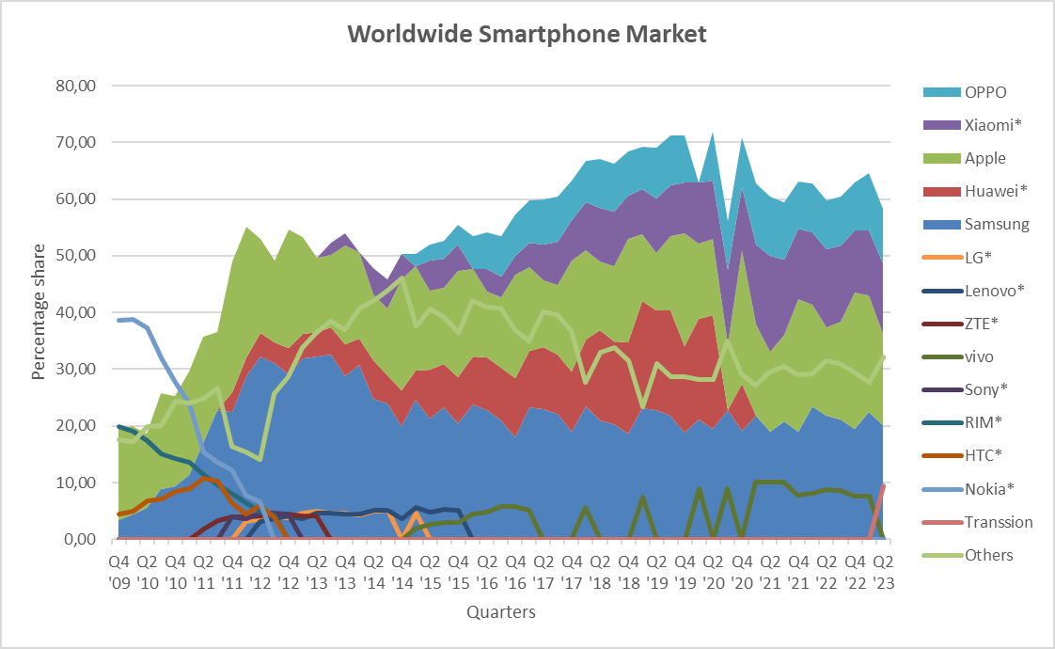
 |  | Revenues growth |  |  |  |  | -4.59% | -20.07% | -9.72% | -22.82% | -18.91% | -4.01% | 0.60% | 10.90% | 10.00% | 10.00% | 10.00% | 10.00% |  | -14.70% | -0.72% | 21.00% | 14.98% | 14.90% | 14.83% | 14.77% | 14.70% | 14.64% | 14.59% | 14.53% | 14.48% |  | Maturity | 2.20% |  | Risk-free rate | 4.06%
 |  | Smartphones growth (YoY) |  |  |  |  | -11.12% | -28.47% | -11.10% | -27.33% | -23.55% | -13.42% |  |  |  |  |  |  |  |  |  |  |  |  |  |  |  |  |  |  |  |  | Discount | 11.07% |  | Equity beta | 1.18 |  |  |  |  |  |  |  |  |  | As of Q2 2023, Xiaomi has a market share in the worldwide smartphone market of 12,50% (data obtained from Statista)
 |  | IoT and lifestyle products growth (YoY) |  |  |  |  | 6.76% | -4.45% | -8.97% | -14.44% | -13.57% | 12.33% |  |  |  |  |  |  |  |  |  |  |  |  |  |  |  |  |  |  |  |  | NPV | $1,310,115,588,907.72 |  | Market return | 10%
 |  | Internet services growth (YoY) |  |  |  |  | 8.24% | -0.89% | -3.70% | -1.35% | -1.19% | 6.79% |  |  |  |  |  |  |  |  |  |  |  |  |  |  |  |  |  |  |  |  | Share | $52.66 |  | Cost of equity | 11.07%
 |  | Cost of sales to revenues | 81.58% | 82.74% | 81.69% | 82.87% | 82.67% | 83.23% | 83.37% | 82.77% | 80.51% | 78.98% | 77.28% | 78.68% | 82.04% | 82.04% | 82.04% | 82.04% | 82.25% | 83.01% | 76.79% | 75.54% | 74.29% | 73.04% | 71.79% | 70.54% | 69.29% | 68.04% | 66.79% | 65.54% | 64.29% |  | Difference | 227.90% |  | WACC | 8.19%
 |  | Tax expenses proportion | 14.09% | 14.62% | 55.88% | 37.12% | 27.56% | 21.39% | 23.79% | 19.47% | 22.93% | 26.03% | 17.29% | 17.10% | 26.29% | 26.29% | 26.29% | 26.29%
 |  | Gross margin | 18.42% | 17.26% | 18.31% | 17.13% | 17.33% | 16.77% | 16.63% | 17.23% | 19.49% | 21.02% | 22.72% | 21.32% | 17.96% | 17.96% | 17.96% | 17.96% | 17.75% | 16.99% | 20.67% | 15.91% | 25.71% | 26.96% | 28.21% | 29.46% | 30.71% | 31.96% | 33.21% | 34.46% | 35.71%
 |  | Smartphone shipments | 49,000,000 | 52,800,000 | 45,300,000 | 44,100,000 | 39,200,000 | 39,600,000 | 40,500,000 | 32,700,000 | 30,500,000 | 33,200,000 | 41,500,000 | 40,700,000 |  |  |  |  | 191,200,000 | 152,000,000 | 145,900,000 | 170,548,194 | 182,814,888 | 195,449,361 | 208,460,572 | 221,857,680 | 235,650,045 | 249,847,232 | 264,459,022 | 279,495,406 | 294,966,599
 |  | Average smartphone price (in RMB) |  |  |  |  |  |  |  |  |  |  |  |  |  |  |  |  | $1,092.4 | $1,100.1 | $1,127.6 | $1,240.4 | $1,364.4 | $1,500.9 | $1,650.9 | $1,816.0 | $1,997.6 | $2,197.4 | $2,417.1 | $2,658.9 | $2,924.7 |  | On 8 February 2022, Lei released a statement on Weibo to announce plans for Xiaomi to enter the high-end smartphone market and surpass Apple as the top seller of premium smartphones in China in three years. To achieve that goal, Xiaomi will invest US$15.7 bln. in R&D over the next five years and the company will benchmark its products and user experience against Apple’s product lines. Lei described the new strategy as a "life-or-death battle for our development" in his Weibo post, after Xiaomi's market share in China declined over consecutive quarters, from 17% to 14% between Q2 and Q3 2021, dipping further to 13.2% as of Q4 2021.
 |  | Xiaomi market share (+ scenario) (22,5%) |  |  |  |  |  |  |  |  |  |  |  |  |  |  |  |  | 14.1% | 12.8% | 14.1% | 15.3% | 16.6% | 17.8% | 19.1% | 20.3% | 21.6% | 22.8% | 24.1% | 25.3% | 26.6%
 |  | Xiaomi market share (+- scenario) (60%) |  |  |  |  |  |  |  |  |  |  |  |  |  |  |  |  | 14.1% | 12.8% | 13.6% | 14.3% | 15.1% | 15.8% | 16.6% | 17.3% | 18.1% | 18.8% | 19.6% | 20.3% | 21.1%
 |  | Xiaomi market share (- scenario) (17,5%) |  |  |  |  |  |  |  |  |  |  |  |  |  |  |  |  | 14.1% | 12.8% | 13.1% | 13.3% | 13.6% | 13.8% | 14.1% | 14.3% | 14.6% | 14.8% | 15.1% | 15.3% | 15.6%
 |  | Total global shipments of smartphones |  |  |  |  |  |  |  |  |  |  |  |  |  |  |  |  | 1,351,400,000 | 1,193,400,000 | 1,137,310,200 | 1,188,489,159 | 1,208,693,475 | 1,229,241,264 | 1,250,138,365 | 1,271,390,717 | 1,293,004,360 | 1,314,985,434 | 1,337,340,186 | 1,360,074,969 | 1,383,196,244
 |  |  |  |  |  |  |  |  |  |  |  |  | Q3/23 and Q4/23 will be important to determine whether the negative trend of 2022 has already ended

